Global Emissions time series
 | Climate Action Tracker: Global emissions time series
 | Unit: | GtCO2eq
 | Date Published: | 5-Dec-23
 | Further information: | https://climateactiontracker.org/methodology/

 |  |  | 1990 | 1991 | 1992 | 1993 | 1994 | 1995 | 1996 | 1997 | 1998 | 1999 | 2000 | 2001 | 2002 | 2003 | 2004 | 2005 | 2006 | 2007 | 2008 | 2009 | 2010 | 2011 | 2012 | 2013 | 2014 | 2015 | 2016 | 2017 | 2018 | 2019 | 2020 | 2021 | 2022 | 2023 | 2024 | 2025 | 2026 | 2027 | 2028 | 2029 | 2030 | 2031 | 2032 | 2033 | 2034 | 2035 | 2036 | 2037 | 2038 | 2039 | 2040 | 2041 | 2042 | 2043 | 2044 | 2045 | 2046 | 2047 | 2048 | 2049 | 2050 | 2051 | 2052 | 2053 | 2054 | 2055 | 2056 | 2057 | 2058 | 2059 | 2060 | 2061 | 2062 | 2063 | 2064 | 2065 | 2066 | 2067 | 2068 | 2069 | 2070 | 2071 | 2072 | 2073 | 2074 | 2075 | 2076 | 2077 | 2078 | 2079 | 2080 | 2081 | 2082 | 2083 | 2084 | 2085 | 2086 | 2087 | 2088 | 2089 | 2090 | 2091 | 2092 | 2093 | 2094 | 2095 | 2096 | 2097 | 2098 | 2099 | 2100
Emissions_CPP_High | Policies and action | High |  |  |  |  |  |  |  |  |  |  |  |  |  |  |  |  |  |  |  |  |  |  |  |  |  |  |  |  |  |  |  | 52 | 52 | 53 | 53 | 53 | 53 | 54 | 54 | 54 | 54 | 54 | 54 | 54 | 54 | 54 | 54 | 54 | 54 | 54 | 54 | 54 | 54 | 54 | 54 | 54 | 54 | 54 | 55 | 55 | 55 | 54 | 54 | 54 | 54 | 54 | 54 | 54 | 54 | 54 | 54 | 54 | 54 | 53 | 53 | 53 | 53 | 53 | 53 | 53 | 53 | 52 | 52 | 52 | 52 | 52 | 52 | 52 | 52 | 51 | 51 | 51 | 51 | 51 | 51 | 50 | 50 | 50 | 50 | 49 | 49 | 49 | 49 | 48 | 48 | 48 | 47 | 47 | 47 | 46 | 46
Emissions_CPP_Low |  | Low |  |  |  |  |  |  |  |  |  |  |  |  |  |  |  |  |  |  |  |  |  |  |  |  |  |  |  |  |  |  |  | 52 | 52 | 52 | 52 | 52 | 52 | 52 | 52 | 51 | 51 | 51 | 50 | 50 | 49 | 49 | 49 | 48 | 48 | 48 | 48 | 47 | 47 | 47 | 46 | 46 | 46 | 46 | 45 | 45 | 45 | 44 | 44 | 44 | 43 | 43 | 43 | 42 | 42 | 42 | 41 | 41 | 41 | 40 | 40 | 40 | 39 | 39 | 39 | 38 | 38 | 38 | 37 | 37 | 37 | 37 | 36 | 36 | 36 | 36 | 36 | 35 | 35 | 35 | 35 | 34 | 34 | 34 | 33 | 33 | 33 | 32 | 32 | 32 | 32 | 32 | 31 | 31 | 31 | 31 | 30
Emissions_Pledge_NDC_only | 2030 Targets only |  |  |  |  |  |  |  |  |  |  |  |  |  |  |  |  |  |  |  |  |  |  |  |  |  |  |  |  |  |  |  |  | 52 | 52 | 52 | 52 | 51 | 51 | 51 | 50 | 50 | 50 | 49 | 49 | 48 | 48 | 48 | 47 | 47 | 47 | 46 | 46 | 46 | 46 | 45 | 45 | 45 | 45 | 44 | 44 | 44 | 43 | 43 | 43 | 43 | 42 | 42 | 42 | 42 | 41 | 41 | 41 | 41 | 40 | 40 | 40 | 40 | 39 | 39 | 39 | 39 | 38 | 38 | 38 | 37 | 37 | 37 | 36 | 36 | 36 | 35 | 35 | 35 | 34 | 34 | 33 | 33 | 33 | 32 | 32 | 32 | 31 | 31 | 31 | 30 | 30 | 30 | 30 | 29 | 29 | 29 | 29
Emissions_Pledge_high | Pledges and Targets | High |  |  |  |  |  |  |  |  |  |  |  |  |  |  |  |  |  |  |  |  |  |  |  |  |  |  |  |  |  |  |  | 52 | 52 | 52 | 52 | 51 | 51 | 51 | 50 | 50 | 50 | 49 | 48 | 47 | 46 | 45 | 44 | 43 | 42 | 41 | 41 | 40 | 39 | 38 | 37 | 36 | 35 | 35 | 34 | 33 | 32 | 31 | 31 | 30 | 29 | 29 | 28 | 27 | 27 | 26 | 25 | 25 | 25 | 25 | 24 | 24 | 24 | 23 | 23 | 23 | 23 | 22 | 22 | 22 | 22 | 21 | 21 | 21 | 21 | 20 | 20 | 20 | 20 | 19 | 19 | 19 | 18 | 18 | 18 | 18 | 17 | 17 | 17 | 17 | 17 | 17 | 17 | 16 | 16 | 16 | 16
Emissions_Pledge_Low |  | Low |  |  |  |  |  |  |  |  |  |  |  |  |  |  |  |  |  |  |  |  |  |  |  |  |  |  |  |  |  |  |  | 52 | 52 | 51 | 51 | 50 | 49 | 49 | 48 | 47 | 47 | 45 | 44 | 43 | 42 | 41 | 40 | 39 | 38 | 37 | 36 | 35 | 34 | 33 | 32 | 30 | 29 | 28 | 27 | 26 | 25 | 24 | 24 | 23 | 22 | 21 | 20 | 20 | 19 | 18 | 17 | 17 | 16 | 16 | 16 | 15 | 15 | 15 | 14 | 14 | 13 | 13 | 13 | 13 | 12 | 12 | 12 | 12 | 11 | 11 | 11 | 10 | 10 | 10 | 10 | 9 | 9 | 9 | 9 | 9 | 8 | 8 | 8 | 8 | 8 | 8 | 8 | 8 | 8 | 8 | 8
Emissions_Optimistic_high | Optimistic scenario (net-zero pledges) |  |  |  |  |  |  |  |  |  |  |  |  |  |  |  |  |  |  |  |  |  |  |  |  |  |  |  |  |  |  |  |  | 52 | 52 | 52 | 52 | 51 | 51 | 51 | 50 | 50 | 50 | 49 | 47 | 46 | 45 | 44 | 43 | 42 | 41 | 39 | 38 | 37 | 36 | 35 | 33 | 32 | 31 | 30 | 29 | 27 | 26 | 25 | 24 | 23 | 23 | 22 | 21 | 20 | 19 | 18 | 17 | 17 | 16 | 16 | 15 | 15 | 14 | 14 | 14 | 13 | 13 | 12 | 12 | 12 | 11 | 11 | 10 | 10 | 10 | 9 | 9 | 9 | 9 | 9 | 9 | 9 | 8 | 8 | 8 | 8 | 8 | 8 | 8 | 8 | 8 | 8 | 8 | 8 | 7 | 7 | 7
 | 1.5°C compatible | High |  |  |  |  |  |  |  |  |  |  |  |  |  |  |  |  |  |  |  |  |  |  |  |  |  |  |  |  |  |  | 54 | 51 | 48 | 45 | 43 | 40 | 38 | 36 | 34 | 32 | 30 | 29 | 28 | 26 | 25 | 24 | 23 | 21 | 20 | 19 | 18 | 17 | 17 | 16 | 15 | 14 | 13 | 12 | 12 | 11 | 10 | 10 | 10 | 10 | 9 | 9 | 9 | 8 | 8 | 8 | 7 | 7 | 7 | 6 | 6 | 6 | 5 | 5 | 4 | 4 | 4 | 3 | 3 | 3 | 2 | 2 | 2 | 2 | 1 | 1 | 1 | 0 | 0 | 0 | 0 | -1 | -1 | -1 | -2 | -2 | -2 | -2 | -3 | -3 | -3 | -3 | -4 | -4 | -4 | -4 | -5
 |  | Median |  |  |  |  |  |  |  |  |  |  |  |  |  |  |  |  |  |  |  |  |  |  |  |  |  |  |  |  |  |  | 52 | 50 | 47 | 44 | 41 | 38 | 36 | 34 | 32 | 29 | 27 | 26 | 25 | 24 | 22 | 21 | 20 | 19 | 19 | 18 | 17 | 16 | 15 | 15 | 14 | 13 | 12 | 11 | 11 | 10 | 9 | 9 | 9 | 8 | 8 | 7 | 7 | 7 | 6 | 6 | 6 | 5 | 5 | 5 | 4 | 4 | 4 | 3 | 3 | 3 | 3 | 2 | 2 | 1 | 1 | 1 | 0 | 0 | -1 | -1 | -1 | -2 | -2 | -2 | -2 | -2 | -3 | -3 | -3 | -3 | -4 | -4 | -4 | -4 | -4 | -5 | -5 | -5 | -5 | -5 | -5
 |  | Low |  |  |  |  |  |  |  |  |  |  |  |  |  |  |  |  |  |  |  |  |  |  |  |  |  |  |  |  |  |  | 52 | 49 | 46 | 43 | 40 | 37 | 35 | 32 | 30 | 28 | 25 | 24 | 23 | 21 | 20 | 19 | 18 | 17 | 16 | 15 | 14 | 14 | 13 | 12 | 11 | 11 | 10 | 9 | 9 | 8 | 8 | 7 | 7 | 7 | 7 | 6 | 6 | 6 | 5 | 5 | 5 | 5 | 4 | 4 | 3 | 3 | 3 | 2 | 2 | 1 | 1 | 1 | 0 | 0 | 0 | -1 | -1 | -1 | -2 | -2 | -2 | -3 | -3 | -3 | -4 | -4 | -4 | -4 | -5 | -5 | -5 | -6 | -6 | -6 | -7 | -7 | -7 | -7 | -8 | -8 | -8
Emissions_Historic | Historical |  | 36 | 36 | 36 | 36 | 36 | 37 | 37 | 38 | 38 | 38 | 40 | 40 | 41 | 42 | 44 | 45 | 46 | 47 | 48 | 47 | 49 | 50 | 51 | 51 | 51 | 51 | 51 | 52 | 52 | 52 | 50
 | NOTE: We include the unrounded values to assist with the preparation of graphics, however if you are reproducing the numerical values, please adhere to the displayed rounded values in the tables.
 | Data comes from CAT_global_aggregation_COP24.xlsx

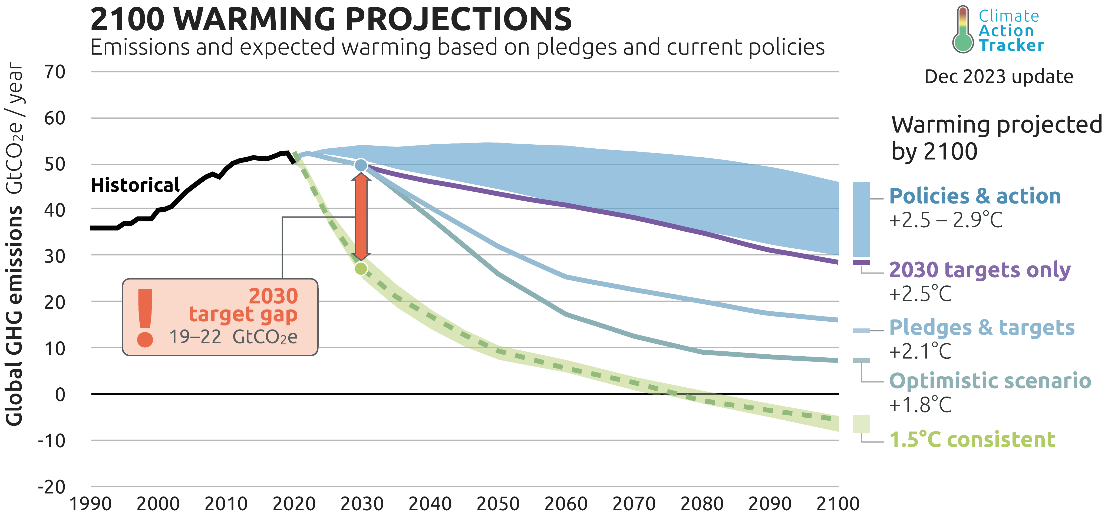
 | Copyright © 2023 by Climate Analytics and NewClimate Institute. All rights reserved.

 | The content provided by this data file is protected by copyright. You are authorised to view, download, print and distribute the copyrighted content from this data file subject to the following condition: Any reproduction, in full or in part, must credit Climate Analytics and NewClimate Institute, include a copyright notice and must not be used for commerical purposes.

CAT Thermometer
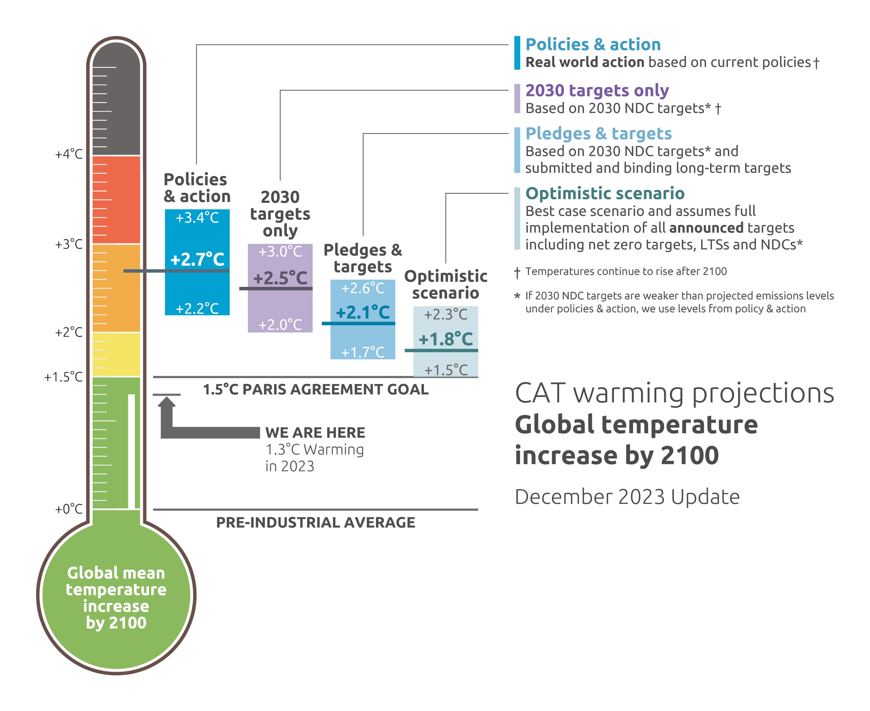
 | Climate Action Tracker: The CAT Thermometer
 | Unit: | °C about pre-industrial levels
 | Date Published: | 5-Dec-23
 | Further information: | https://climateactiontracker.org/methodology/

 | Data comes from CAT_global_aggregation_COP24.xlsx
 | Global Mean Temperature above pre-industrial levels in 2100 |  |  | _50 | _83
 | Temperature in °C |  | Lower bound | Median | Upper bound
Temperature_CPP | Policies and action | Combined | +2.2 | +2.7 | +3.4
Temperature_CPP_high |  | High | +2.3 | +2.9 | +3.6
Temperature_CPP_low |  | Low | +2.0 | +2.5 | +3.1
Temperature_Pledge_NDC_only | 2030 Targets only |  | +2.0 | +2.5 | +3.0
Temperature_Pledge_high | Pledges and Targets | High | +1.7 | +2.1 | +2.6
Temperature_Pledge_low |  | Low | +1.5 | +1.8 | +2.3
Temperature_Optimistic_high | Optimistic scenario (net-zero pledges) |  | +1.5 | +1.8 | +2.3
 | The CAT uses the climate model MAGICC7 for its temperature estimates.
 | Values in bold are used in the CAT Thermometer.

 | NOTE: We include the unrounded values to assist with the preparation of graphics, however if you are reproducing the numerical values, please adhere to the displayed rounded values in the tables.

 | Copyright © 2023 by Climate Analytics and NewClimate Institute. All rights reserved.
 | The content provided by this data file is protected by copyright. You are authorised to view, download, print and distribute the copyrighted content from this data file subject to the following condition: Any reproduction, in full or in part, must credit Climate Analytics and NewClimate Institute, include a copyright notice and must not be used for commerical purposes.

