Net zero evaluation overview
Climate Action Tracker: |  | Overview of Climate Action Tracker’s net zero target evaluations for G20 member countries (excluding France and Italy as both not separately analysed by the CAT) and selected other countries per key elements as of October 2025

Date Published: |  | 24-Oct-2025
Climate Action Tracker Data: |  | Do not redistribute without prior permission of the Climate Action Tracker team. Any reproduction of this data in graphical or numerical format must include credit to the Climate Action Tracker project.
 |  | For further details on methodology, please see the Climate Action Tracker website:
 |  | climateactiontracker.org/global/cat-net-zero-target-evaluations

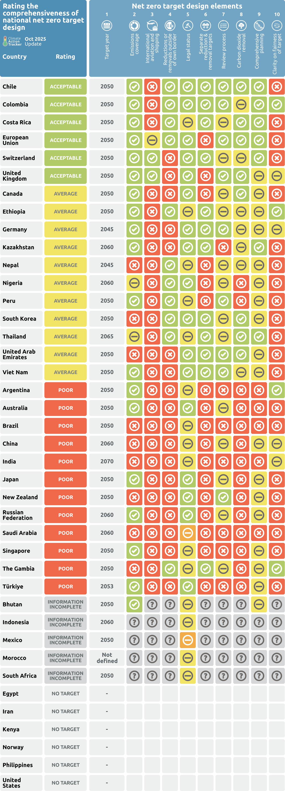
Country | ISO | Overall Rating | Target year | Emissions coverage | International aviation and shipping | Reductions or removals outside of own border | Legal status | Separate reduction & removal targets | Review process | Carbon dioxide removal | Comprehensive planning | Clarity on fairness of target
Chile | CHL | Acceptable | 2050 | All sectors and gases | Excluded, or not specified | Reaching net zero on own territory | In law | Yes | Yes | Transparent assumptions for domestic LULUCF and separately for domestic removals and storage | Underlying [government or government-endorsed] analysis identifies pathway and key measures for reaching net zero, with sector-specific detail | No reference to fairness / equity
Colombia | COL | Acceptable | 2050 | All sectors and gases | Excluded, or not specified | Reaching net zero on own territory | In law | Yes | Yes | Transparent assumptions for domestic LULUCF or separately for domestic removals and storage | Underlying [government or government-endorsed] analysis identifies pathway and key measures for reaching net zero, with sector-specific detail | The government clearly explains why its net zero target is a fair contribution to the global goal of limiting warming to 1.5˚C above pre-industrial levels. For developed countries, this statement needs to include an explanation of how the government addresses the gap between its net zero target and what would be a fair target.
Costa Rica | CRI | Acceptable | 2050 | All sectors and gases | Excluded, or not specified | Reaching net zero on own territory | Proposed Legislation or In Policy Document | Yes | Yes, but non-legally binding or in the process of establishing a review cycle | Transparent assumptions for domestic LULUCF and separately for domestic removals and storage | Underlying [government or government-endorsed] analysis identifies pathway and key measures for reaching net zero, with sector-specific detail | No reference to fairness / equity
European Union | EU27 | Acceptable | 2050 | All sectors and gases | Partially included | Reaching net zero on own territory | In law | No or not specified | Yes | Transparent assumptions for domestic LULUCF and separately for domestic removals and storage | Underlying [government or government-endorsed] analysis identifies pathway and key measures for reaching net zero, with sector-specific detail | No reference to fairness / equity
Switzerland | CHE | Acceptable | 2050 | All sectors and gases | Included | Reliance on offsetting - or leaving the option open to offset - own emissions with international offset credits (emission reductions or removals) not fulfilling the criteria above | In law | Yes | Yes, but non-legally binding or in the process of establishing a review cycle | Transparent assumptions for domestic LULUCF or separately for domestic removals and storage | Underlying [government or government-endorsed] analysis identifies pathway and key measures for reaching net zero, with sector-specific detail | No reference to fairness / equity
United Kingdom | GBR | Acceptable | 2050 | All sectors and gases | Included | Reliance on offsetting - or leaving the option open to offset - own emissions with international offset credits (emission reductions or removals) not fulfilling the criteria above | In law | No or not specified | Yes | Transparent assumptions for domestic LULUCF and separately for domestic removals and storage | Some information on anticipated pathway or measures for achieving net zero is available, but with limited detail | Statement explaining why fair share in advisory (but not government) document
Canada | CAN | Average | 2050 | All sectors and gases | Excluded, or not specified | Reliance on offsetting - or leaving the option open to offset - own emissions with international offset credits (emission reductions or removals) not fulfilling the criteria above | In law | No or not specified | Yes, but non-legally binding or in the process of establishing a review cycle | Transparent assumptions for domestic LULUCF and separately for domestic removals and storage | Some information on anticipated pathway or measures for achieving net zero is available, but with limited detail | No reference to fairness / equity
Ethiopia | ETH | Average | 2050 | All sectors and gases | Excluded, or not specified | Reaching net zero on own territory | Proposed Legislation or In Policy Document | Yes | Yes, but non-legally binding or in the process of establishing a review cycle | Transparent assumptions for domestic LULUCF or separately for domestic removals and storage | Some information on anticipated pathway or measures for achieving net zero is available, but with limited detail | The government clearly explains why its net zero target is a fair contribution to the global goal of limiting warming to 1.5˚C above pre-industrial levels. For developed countries, this statement needs to include an explanation of how the government addresses the gap between its net zero target and what would be a fair target.
Germany | DEU | Average | 2045 | All sectors and gases | Excluded, or not specified | Reliance on offsetting - or leaving the option open to offset - own emissions with international offset credits (emission reductions or removals) not fulfilling the criteria above | In law | Yes | Yes | Transparent assumptions for domestic LULUCF or separately for domestic removals and storage | Some information on anticipated pathway or measures for achieving net zero is available, but with limited detail | Statement explaining why fair share in advisory (but not government) document
Kazakhstan | KAZ | Average | 2060 | All sectors and gases | Excluded, or not specified | Reliance on offsetting - or leaving the option open to offset - own emissions with international offset credits (emission reductions or removals) not fulfilling the criteria above | In law | Yes | No | Transparent assumptions for domestic LULUCF or separately for domestic removals and storage | Underlying [government or government-endorsed] analysis identifies pathway and key measures for reaching net zero, with sector-specific detail | No reference to fairness / equity
Nepal | NPL | Average | 2045 | Incomplete coverage (<95% of emissions excl. bunkers), or not specified | Excluded, or not specified | Reaching net zero on own territory | Proposed Legislation or In Policy Document | No or not specified | Yes, but non-legally binding or in the process of establishing a review cycle | Transparent assumptions for domestic LULUCF or separately for domestic removals and storage | Some information on anticipated pathway or measures for achieving net zero is available, but with limited detail | No reference to fairness / equity
Nigeria | NGA | Average | 2060 | Partial coverage (>95% of emissions excl. bunkers) | Excluded, or not specified | Reaching net zero on own territory | In law | No or not specified | Yes, but non-legally binding or in the process of establishing a review cycle | Non-transparent assumptions for domestic LULUCF and domestic removals and storage | Some information on anticipated pathway or measures for achieving net zero is available, but with limited detail | No reference to fairness / equity
Peru | PER | Average | 2050 | All sectors and gases | Excluded, or not specified | Reaching net zero on own territory | Proposed Legislation or In Policy Document | No or not specified | Yes | Non-transparent assumptions for domestic LULUCF and domestic removals and storage | Some information on anticipated pathway or measures for achieving net zero is available, but with limited detail | No reference to fairness / equity
South Korea | KOR | Average | 2050 | Incomplete coverage (<95% of emissions excl. bunkers), or not specified | Excluded, or not specified | Reaching net zero on own territory | In law | Yes | Yes, but non-legally binding or in the process of establishing a review cycle | Transparent assumptions for domestic LULUCF and separately for domestic removals and storage | Some information on anticipated pathway or measures for achieving net zero is available, but with limited detail | No reference to fairness / equity
Thailand | THA | Average | 2065 | Partial coverage (>95% of emissions excl. bunkers) | Excluded, or not specified | Reaching net zero on own territory | Proposed Legislation or In Policy Document | Yes | Yes, but non-legally binding or in the process of establishing a review cycle | Transparent assumptions for domestic LULUCF and separately for domestic removals and storage | Underlying [government or government-endorsed] analysis identifies pathway and key measures for reaching net zero, with sector-specific detail | No reference to fairness / equity
The United Arab Emirates | ARE | Average | 2050 | Incomplete coverage (<95% of emissions excl. bunkers), or not specified | Excluded, or not specified | Reliance on offsetting - or leaving the option open to offset - own emissions with international offset credits (emission reductions or removals) not fulfilling the criteria above | In law | Yes | Yes | Transparent assumptions for domestic LULUCF and separately for domestic removals and storage | Some information on anticipated pathway or measures for achieving net zero is available, but with limited detail | No reference to fairness / equity
Viet Nam | VNM | Average | 2050 | All sectors and gases | Excluded, or not specified | Reliance on offsetting - or leaving the option open to offset - own emissions with international offset credits (emission reductions or removals) not fulfilling the criteria above | In law | Yes | Yes | Transparent assumptions for domestic LULUCF or separately for domestic removals and storage | Some information on anticipated pathway or measures for achieving net zero is available, but with limited detail | No reference to fairness / equity
Argentina | ARG | Poor | 2050 | All sectors and gases | Excluded, or not specified | Reliance on offsetting - or leaving the option open to offset - own emissions with international offset credits (emission reductions or removals) not fulfilling the criteria above | Proposed Legislation or In Policy Document | No or not specified | No | Non-transparent assumptions for domestic LULUCF and domestic removals and storage | No pathway, measures or underlying analysis provided | The government clearly explains why its net zero target is a fair contribution to the global goal of limiting warming to 1.5˚C above pre-industrial levels. For developed countries, this statement needs to include an explanation of how the government addresses the gap between its net zero target and what would be a fair target.
Australia | AUS | Poor | 2050 | All sectors and gases | Excluded, or not specified | Reliance on offsetting - or leaving the option open to offset - own emissions with international offset credits (emission reductions or removals) not fulfilling the criteria above | In law | No or not specified | Yes, but non-legally binding or in the process of establishing a review cycle | Non-transparent assumptions for domestic LULUCF and domestic removals and storage | No pathway, measures or underlying analysis provided | No reference to fairness / equity
Brazil | BRA | Poor | 2050 | Incomplete coverage (<95% of emissions excl. bunkers), or not specified | Excluded, or not specified | Reliance on offsetting - or leaving the option open to offset - own emissions with international offset credits (emission reductions or removals) not fulfilling the criteria above | Proposed Legislation or In Policy Document | No or not specified | No | Non-transparent assumptions for domestic LULUCF and domestic removals and storage | No pathway, measures or underlying analysis provided | No reference to fairness / equity
China | CHN | Poor | 2060 | Incomplete coverage (<95% of emissions excl. bunkers), or not specified | Excluded, or not specified | Reliance on offsetting - or leaving the option open to offset - own emissions with international offset credits (emission reductions or removals) not fulfilling the criteria above | Proposed Legislation or In Policy Document | No or not specified | Yes, but non-legally binding or in the process of establishing a review cycle | Non-transparent assumptions for domestic LULUCF and domestic removals and storage | Some information on anticipated pathway or measures for achieving net zero is available, but with limited detail | Statement explaining why fair share in advisory (but not government) document
India | IND | Poor | 2070 | Incomplete coverage (<95% of emissions excl. bunkers), or not specified | Excluded, or not specified | Reliance on offsetting - or leaving the option open to offset - own emissions with international offset credits (emission reductions or removals) not fulfilling the criteria above | Proposed Legislation or In Policy Document | No or not specified | No | Non-transparent assumptions for domestic LULUCF and domestic removals and storage | No pathway, measures or underlying analysis provided | Statement explaining why fair share in advisory (but not government) document
Japan | JPN | Poor | 2050 | All sectors and gases | Excluded, or not specified | Reliance on offsetting - or leaving the option open to offset - own emissions with international offset credits (emission reductions or removals) not fulfilling the criteria above | In law | No or not specified | Yes, but non-legally binding or in the process of establishing a review cycle | Non-transparent assumptions for domestic LULUCF and domestic removals and storage | Some information on anticipated pathway or measures for achieving net zero is available, but with limited detail | No reference to fairness / equity
New Zealand | NZL | Poor | 2050 | Incomplete coverage (<95% of emissions excl. bunkers), or not specified | Excluded, or not specified | Reliance on offsetting - or leaving the option open to offset - own emissions with international offset credits (emission reductions or removals) not fulfilling the criteria above | In law | No or not specified | Yes | Non-transparent assumptions for domestic LULUCF and domestic removals and storage | Some information on anticipated pathway or measures for achieving net zero is available, but with limited detail | No reference to fairness / equity
Russia | RUS | Poor | 2060 | All sectors and gases | Excluded, or not specified | Reliance on offsetting - or leaving the option open to offset - own emissions with international offset credits (emission reductions or removals) not fulfilling the criteria above | In law | No or not specified | Yes, but non-legally binding or in the process of establishing a review cycle | Non-transparent assumptions for domestic LULUCF and domestic removals and storage | Some information on anticipated pathway or measures for achieving net zero is available, but with limited detail | No reference to fairness / equity
Saudi Arabia | SAU | Poor | 2060 | Incomplete coverage (<95% of emissions excl. bunkers), or not specified | Excluded, or not specified | Reliance on offsetting - or leaving the option open to offset - own emissions with international offset credits (emission reductions or removals) not fulfilling the criteria above | Target announced by Head of Government or equivalent | No or not specified | No | Non-transparent assumptions for domestic LULUCF and domestic removals and storage | No pathway, measures or underlying analysis provided | No reference to fairness / equity
Singapore | SGP | Poor | 2050 | All sectors and gases | Excluded, or not specified | Reliance on offsetting - or leaving the option open to offset - own emissions with international offset credits (emission reductions or removals) not fulfilling the criteria above | Proposed Legislation or In Policy Document | No or not specified | No | Non-transparent assumptions for domestic LULUCF and domestic removals and storage | Some information on anticipated pathway or measures for achieving net zero is available, but with limited detail | No reference to fairness / equity
The Gambia | GMB | Poor | 2050 | Incomplete coverage (<95% of emissions excl. bunkers), or not specified | Excluded, or not specified | Reaching net zero on own territory | Proposed Legislation or In Policy Document | Yes | Yes, but non-legally binding or in the process of establishing a review cycle | Non-transparent assumptions for domestic LULUCF and domestic removals and storage | Some information on anticipated pathway or measures for achieving net zero is available, but with limited detail | The government clearly explains why its net zero target is a fair contribution to the global goal of limiting warming to 1.5˚C above pre-industrial levels. For developed countries, this statement needs to include an explanation of how the government addresses the gap between its net zero target and what would be a fair target.
Türkiye | TUR | Poor | 2053 | All sectors and gases | Excluded, or not specified | Reliance on offsetting - or leaving the option open to offset - own emissions with international offset credits (emission reductions or removals) not fulfilling the criteria above | In law | No or not specified | No | Non-transparent assumptions for domestic LULUCF and domestic removals and storage | Some information on anticipated pathway or measures for achieving net zero is available, but with limited detail | No reference to fairness / equity
Bhutan | BTN | Information incomplete | 2050 | All sectors and gases | No information provided [only for targets announced or under discussion] | No information provided [only for targets announced or under discussion] | Proposed Legislation or In Policy Document | No information provided [only for targets announced or under discussion] | No information provided [only for targets announced or under discussion] | No information provided [only for targets announced or under discussion] | Some information on anticipated pathway or measures for achieving net zero is available, but with limited detail | No information provided [only for targets announced or under discussion]
Indonesia | IDN | Information incomplete | 2060 | No information provided [only for targets announced or under discussion] | No information provided [only for targets announced or under discussion] | No information provided [only for targets announced or under discussion] | Proposed Legislation or In Policy Document | No information provided [only for targets announced or under discussion] | No information provided [only for targets announced or under discussion] | No information provided [only for targets announced or under discussion] | No information provided [only for targets announced or under discussion] | No information provided [only for targets announced or under discussion]
Mexico | MEX | Information incomplete | 2050 | No information provided [only for targets announced or under discussion] | No information provided [only for targets announced or under discussion] | No information provided [only for targets announced or under discussion] | Target announced by Head of Government or equivalent | No information provided [only for targets announced or under discussion] | No information provided [only for targets announced or under discussion] | No information provided [only for targets announced or under discussion] | No information provided [only for targets announced or under discussion] | No information provided [only for targets announced or under discussion]
Morocco | MAR | Information incomplete | Not defined | No information provided [only for targets announced or under discussion] | No information provided [only for targets announced or under discussion] | No information provided [only for targets announced or under discussion] | Proposed Legislation or In Policy Document | No information provided [only for targets announced or under discussion] | No information provided [only for targets announced or under discussion] | No information provided [only for targets announced or under discussion] | No information provided [only for targets announced or under discussion] | No information provided [only for targets announced or under discussion]
South Africa | ZAF | Information incomplete | 2050 | No information provided [only for targets announced or under discussion] | No information provided [only for targets announced or under discussion] | No information provided [only for targets announced or under discussion] | Proposed Legislation or In Policy Document | No information provided [only for targets announced or under discussion] | No information provided [only for targets announced or under discussion] | No information provided [only for targets announced or under discussion] | No information provided [only for targets announced or under discussion] | No information provided [only for targets announced or under discussion]
Egypt | EGY | No target
Iran | IRN | No target
Kenya | KEN | No target
Norway | NOR | No target
The Philippines | PHL | No target
United States of America | USA | No target

Copyright © 2025 by Climate Analytics and NewClimate Institute. All rights reserved.
The content provided by this website is protected by copyright. You are authorised to view, the copyrighted content from this website subject to the following condition: Any reproduction, in full or in part, must credit Climate Analytics and NewClimate Institute and must include a copyright notice.

Net zero emissions
Climate Action Tracker: | Share of global GHG emissions covered by national net zero emission targets (agreed in law, as part of an initiative, or under discussion). Compilation based on data from the Net Zero Tracker (2025) and Climate Watch (2025) as of 29 September 2025 and complemented by CAT analysis. The compilation includes countries that have joined the Climate Ambition Alliance announced at COP25 (Climate Ambition Alliance, 2019). Emissions data excluding LULUCF for 2019 taken from PRIMAP emissions database (Gütschow, Busch and Pflüger, 2025).

Date Published: | 24-Oct-2025
Climate Action Tracker Data: | Do not redistribute without prior permission of the Climate Action Tracker team. Any reproduction of this data in graphical or numerical format must include credit to the Climate Action Tracker project.
 | For further details on methodology, please see the Climate Action Tracker website:
 | climateactiontracker.org/global/cat-net-zero-target-evaluations

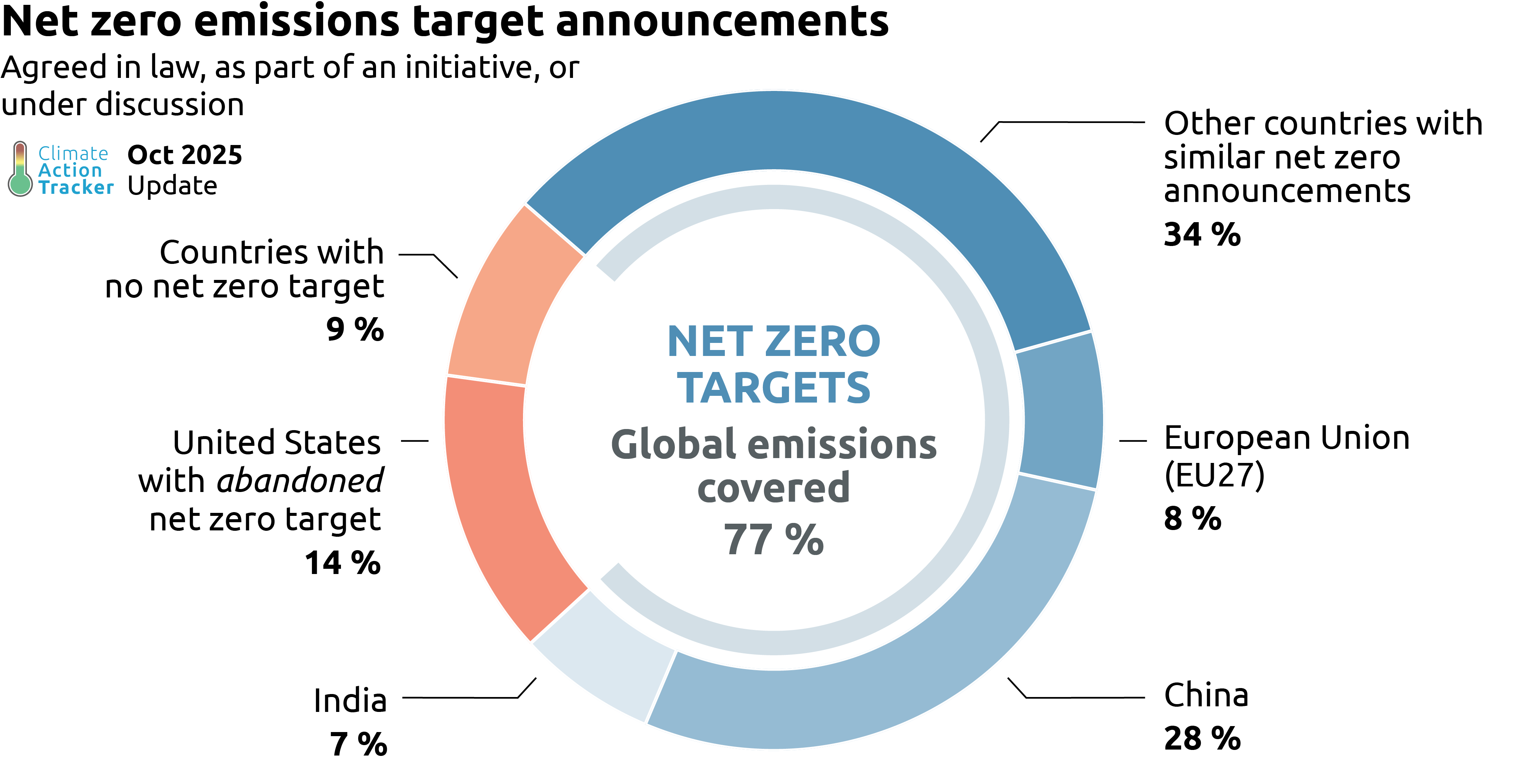
Total Emissions share (%) | Total Emissions share (%)
European Union (EU27) | 8%
China | 28%
India | 7%
Others with similar net zero announcements | 34%
United States with abandoned net zero target | 14%
Others with no net zero target | 9%
Total with net zero targets | 77%

Copyright © 2025 by Climate Analytics and NewClimate Institute. All rights reserved.
The content provided by this website is protected by copyright. You are authorised to view, the copyrighted content from this website subject to the following condition: Any reproduction, in full or in part, must credit Climate Analytics and NewClimate Institute and must include a copyright notice.

Net zero emissions with rating
Climate Action Tracker: | Share of global GHG emissions by Climate Action Tracker’s headline evaluation for announced net zero targets as of October 2025. Emissions data excluding LULUCF for 2019 taken from PRIMAP emissions database (Gütschow, Busch and Pflüger, 2025).

Date Published: | 24-Oct-2025
Climate Action Tracker Data: | Do not redistribute without prior permission of the Climate Action Tracker team. Any reproduction of this data in graphical or numerical format must include credit to the Climate Action Tracker project.
 | For further details on methodology, please see the Climate Action Tracker website:
 | climateactiontracker.org/global/cat-net-zero-target-evaluations

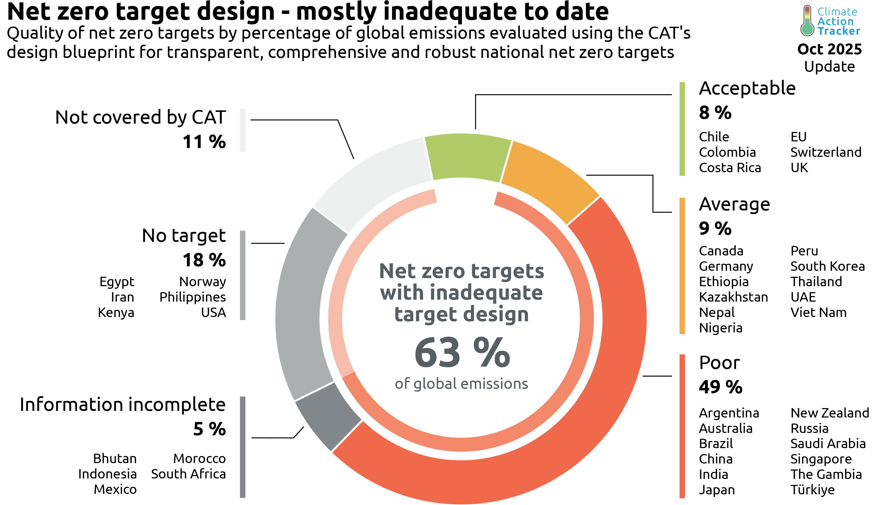

 | Overall rating | Number of countries | Total Emissions share (%)
 | Acceptable | 6 | 8%
 | Average | 11 | 9%
 | Poor | 12 | 49%
 | Information incomplete | 6 | 5%
 | No target | 6 | 18%
 | Not covered by CAT |  | 11.5%

 | Total | 41 | 100%

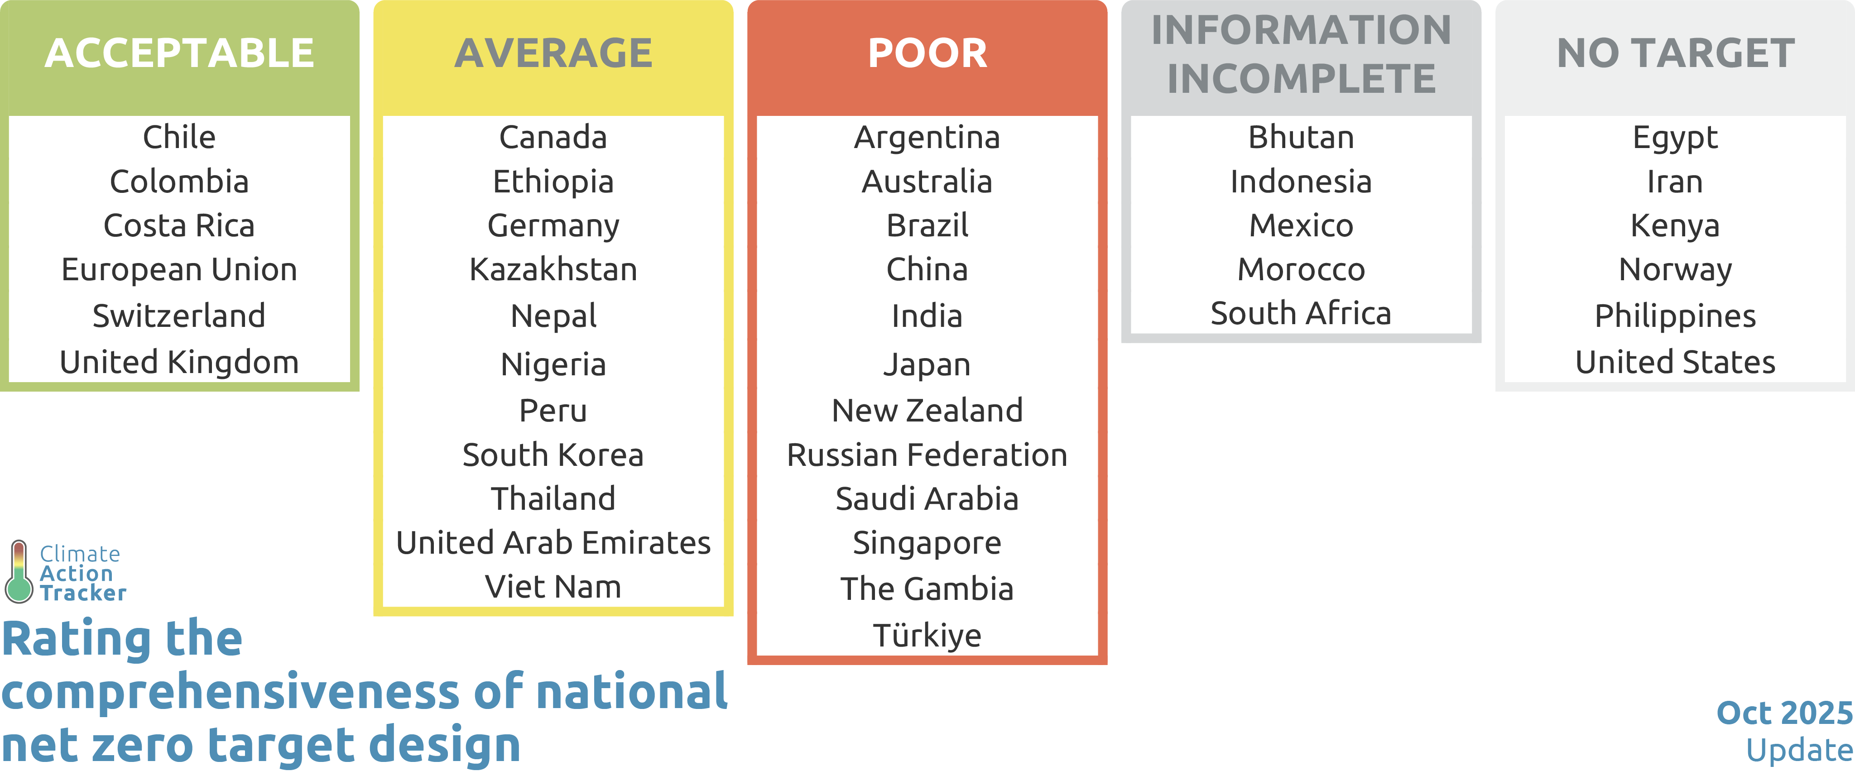
Acceptable | Average | Poor | Information incomplete | No target | Assessment in progress
Chile | Canada | Argentina | Bhutan | Egypt
Colombia | Germany | Australia | Indonesia | Iran
Costa Rica | Ethiopia | Brazil | Mexico | Kenya
EU | Kazakhstan | China | Morocco | Norway
Switzerland | Nepal | India | South Africa | Philippines
UK | Nigeria | Japan |  | USA
 | Peru | New Zealand
 | South Korea | Russia
 | Thailand | Saudi Arabia
 | UAE | Singapore
 | Viet Nam | The Gambia
 |  | Türkiye

Copyright © 2025 by Climate Analytics and NewClimate Institute. All rights reserved.
The content provided by this website is protected by copyright. You are authorised to view, the copyrighted content from this website subject to the following condition: Any reproduction, in full or in part, must credit Climate Analytics and NewClimate Institute and must include a copyright notice.

Net zero ratings change
Climate Action Tracker: | Changes to Climate Action Tracker net zero target evaluations

Date Published: | 24-Oct-2025
Climate Action Tracker Data: | Do not redistribute without prior permission of the Climate Action Tracker team. Any reproduction of this data in graphical or numerical format must include credit to the Climate Action Tracker project.
 | For further details on methodology, please see the Climate Action Tracker website:
 | climateactiontracker.org/global/cat-net-zero-target-evaluations
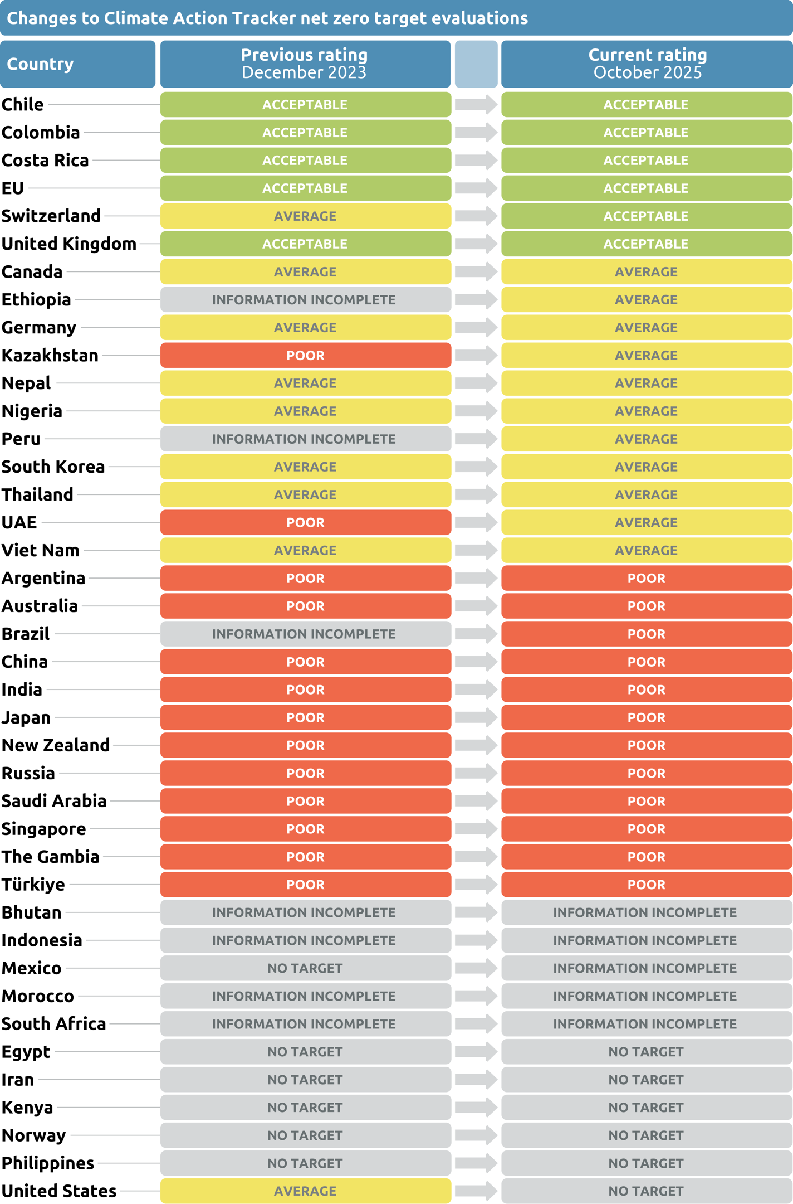

Country | ISO | Previous Rating (December 2023) | Current Rating (December 2023)
Chile | CHL | Acceptable | Acceptable
Colombia | COL | Acceptable | Acceptable
Costa Rica | CRI | Acceptable | Acceptable
European Union | EU27 | Acceptable | Acceptable
Switzerland | CHE | Average | Acceptable
United Kingdom | GBR | Acceptable | Acceptable
Canada | CAN | Average | Average
Ethiopia | ETH | Information incomplete | Average
Germany | DEU | Average | Average
Kazakhstan | KAZ | Poor | Average
Nepal | NPL | Average | Average
Nigeria | NGA | Average | Average
Peru | PER | Information incomplete | Average
South Korea | KOR | Average | Average
Thailand | THA | Average | Average
United Arab Emirates | ARE | Poor | Average
Viet Nam | VNM | Average | Average
Argentina | ARG | Poor | Poor
Australia | AUS | Poor | Poor
Brazil | BRA | Information incomplete | Poor
China | CHN | Poor | Poor
India | IND | Poor | Poor
Japan | JPN | Poor | Poor
New Zealand | NZL | Poor | Poor
Russian Federation | RUS | Poor | Poor
Saudi Arabia | SAU | Poor | Poor
Singapore | SGP | Poor | Poor
The Gambia | GMB | Poor | Poor
Türkiye | TUR | Poor | Poor
Bhutan | BTN | Information incomplete | Information incomplete
Indonesia | IDN | Information incomplete | Information incomplete
Mexico | MEX | No target | Information incomplete
Morocco | MAR | Information incomplete | Information incomplete
South Africa | ZAF | Information incomplete | Information incomplete
Egypt | EGY | No target | No target
Iran | IRN | No target | No target
Kenya | KEN | No target | No target
Norway | NOR | No target | No target
Philippines | PHL | No target | No target
United States | USA | Average | No target

Copyright © 2025 by Climate Analytics and NewClimate Institute. All rights reserved.
The content provided by this website is protected by copyright. You are authorised to view, the copyrighted content from this website subject to the following condition: Any reproduction, in full or in part, must credit Climate Analytics and NewClimate Institute and must include a copyright notice.

