CAT Thermometer
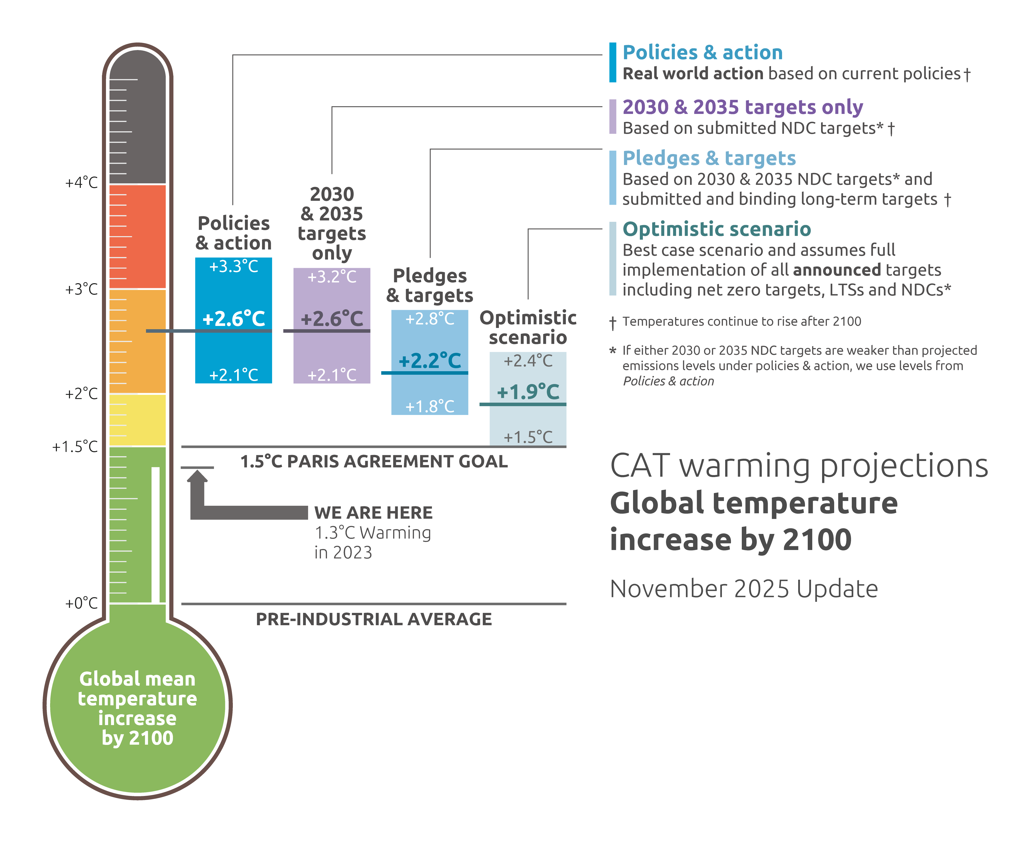
Climate Action Tracker: The CAT Thermometer
Unit: | °C about pre-industrial levels
Date Published: | 2025-11-13
Further information: | climateactiontracker.org/methodology/

Data comes from CAT_global_aggregation_COP24.xlsx
Global Mean Temperature above pre-industrial levels in 2100 |  |  | _50 | _83
Temperature in °C |  | Lower bound | Median | Upper bound
Policies & action | Combined | +2.1 | +2.6 | +3.3
 | High | +2.3 | +2.9 | +3.5
 | Low | +2.0 | +2.5 | +3.0
2030 targets only |  | +2.1 | +2.6 | +3.2
2030 & 2035 Targets only |  | +2.1 | +2.6 | +3.2
Pledges & targets |  | +1.8 | +2.2 | +2.8
 |  | +1.5 | +1.9 | +2.4
Optimistic scenario (net-zero pledges) |  | +1.5 | +1.9 | +2.4
The CAT uses the climate model MAGICC7 for its temperature estimates.
Values in bold are used in the CAT Thermometer.

NOTE: We include the unrounded values to assist with the preparation of graphics, however if you are reproducing the numerical values, please adhere to the displayed rounded values in the tables.

Copyright © 2025 by Climate Analytics and NewClimate Institute. All rights reserved.
The content provided by this data file is protected by copyright. You are authorised to view, download, print and distribute the copyrighted content from this data file subject to the following condition: Any reproduction, in full or in part, must credit Climate Analytics and NewClimate Institute, include a copyright notice and must not be used for commerical purposes.

2030 Emissions Gap
Climate Action Tracker: 2030 Emissions Gap
Unit: | GtCO2eq
Date Published: | 2025-11-13
Further information: | climateactiontracker.org/methodology/

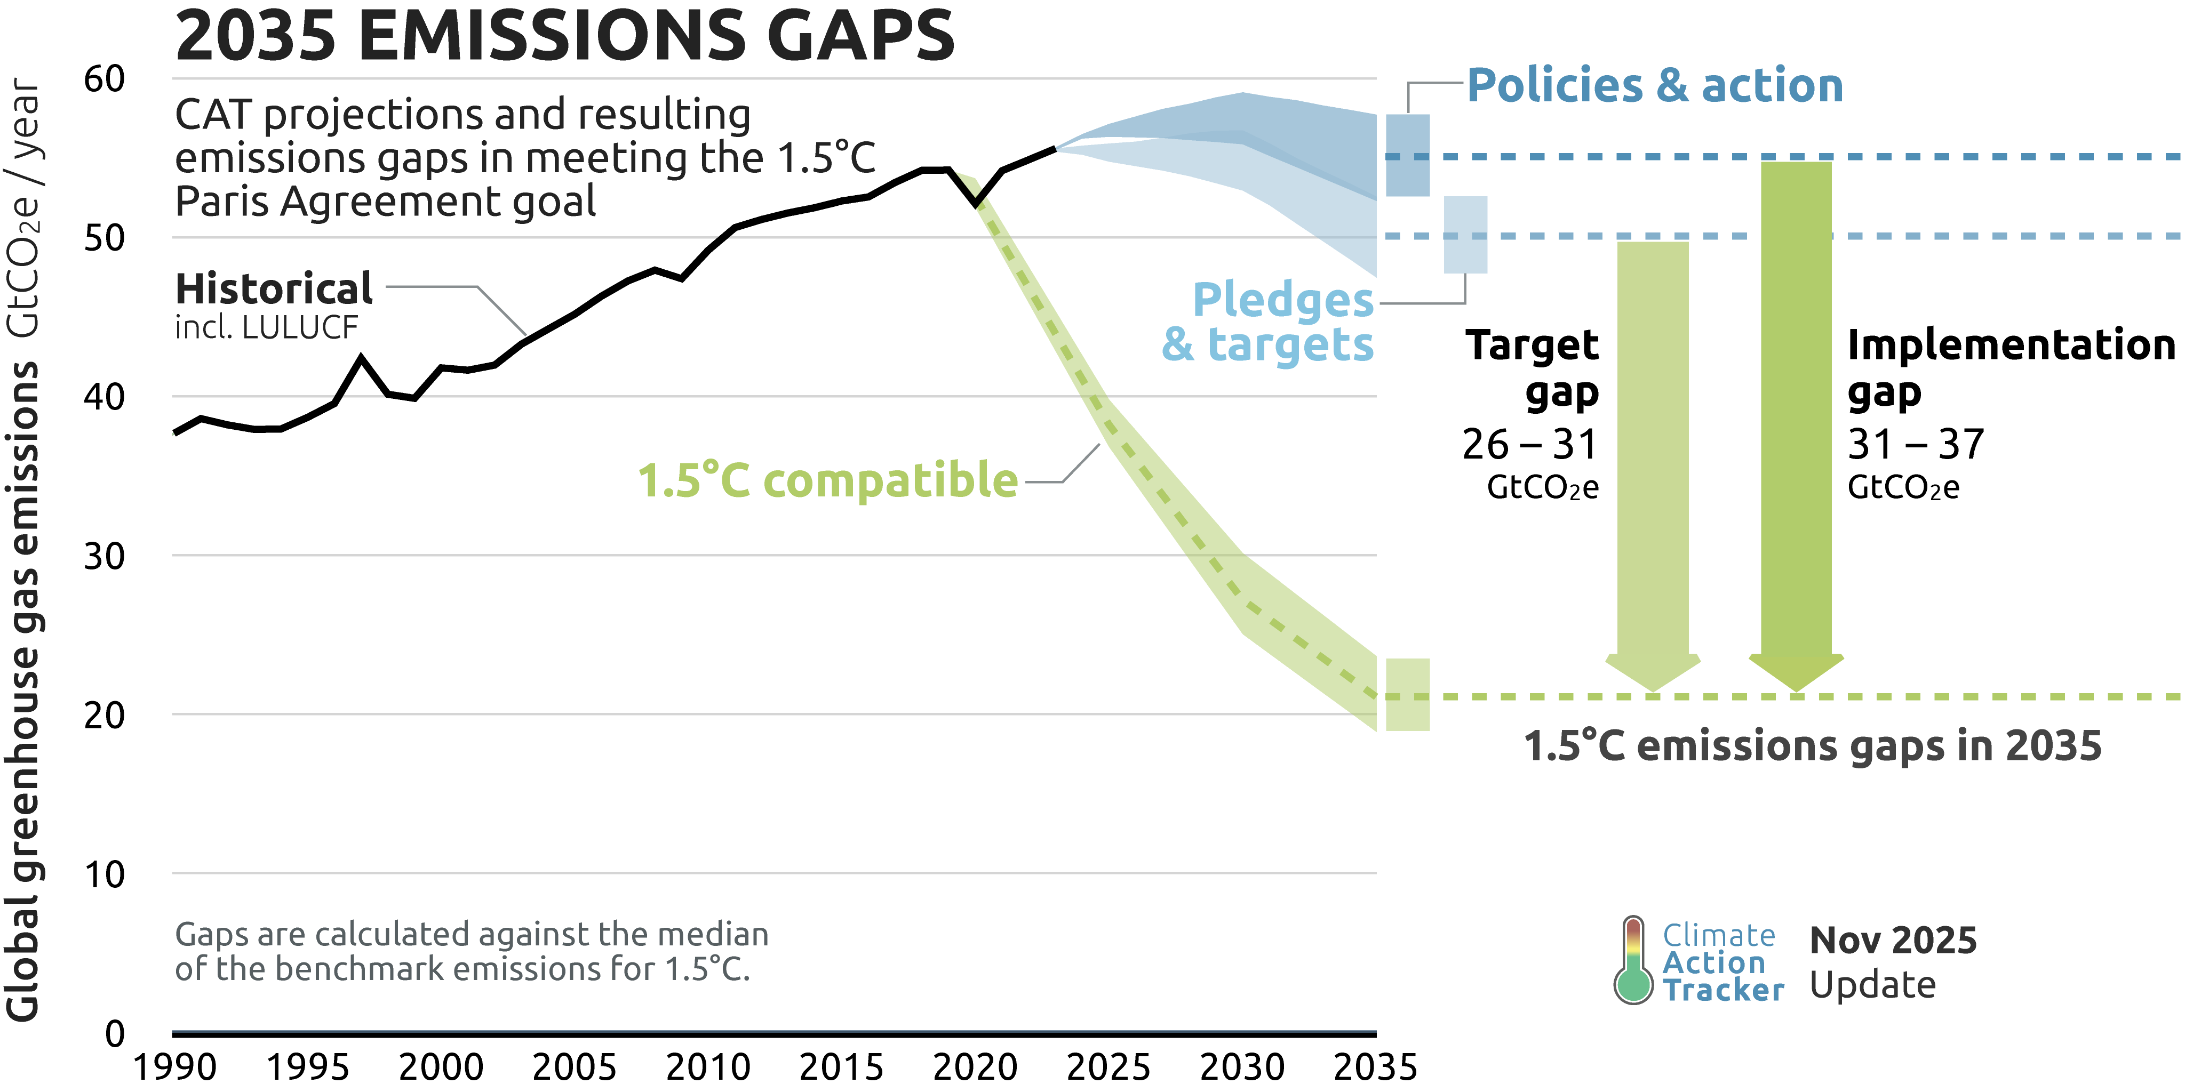
2030 Targets Emissions Gap
GtCO2e |  | 2030 | 2035
 |  | 26 – 29 | 26 – 31

2030 Implementation Emissions Gap
GtCO2e |  | 2030 | 2035
 |  | 29 – 32 | 31 – 37

Copyright © 2025 by Climate Analytics and NewClimate Institute. All rights reserved.

The content provided by this data file is protected by copyright. You are authorised to view, download, print and distribute the copyrighted content from this data file subject to the following condition: Any reproduction, in full or in part, must credit Climate Analytics and NewClimate Institute, include a copyright notice and must not be used for commerical purposes.

Global Emissions time series
Climate Action Tracker: Global emissions time series
Unit: | GtCO2eq
Date Published: | 2025-11-13
Further information: | climateactiontracker.org/methodology/

 |  | 1990 | 1991 | 1992 | 1993 | 1994 | 1995 | 1996 | 1997 | 1998 | 1999 | 2000 | 2001 | 2002 | 2003 | 2004 | 2005 | 2006 | 2007 | 2008 | 2009 | 2010 | 2011 | 2012 | 2013 | 2014 | 2015 | 2016 | 2017 | 2018 | 2019 | 2020 | 2021 | 2022 | 2023 | 2024 | 2025 | 2026 | 2027 | 2028 | 2029 | 2030 | 2031 | 2032 | 2033 | 2034 | 2035 | 2036 | 2037 | 2038 | 2039 | 2040 | 2041 | 2042 | 2043 | 2044 | 2045 | 2046 | 2047 | 2048 | 2049 | 2050 | 2051 | 2052 | 2053 | 2054 | 2055 | 2056 | 2057 | 2058 | 2059 | 2060 | 2061 | 2062 | 2063 | 2064 | 2065 | 2066 | 2067 | 2068 | 2069 | 2070 | 2071 | 2072 | 2073 | 2074 | 2075 | 2076 | 2077 | 2078 | 2079 | 2080 | 2081 | 2082 | 2083 | 2084 | 2085 | 2086 | 2087 | 2088 | 2089 | 2090 | 2091 | 2092 | 2093 | 2094 | 2095 | 2096 | 2097 | 2098 | 2099 | 2100
Policies & action | High |  |  |  |  |  |  |  |  |  |  |  |  |  |  |  |  |  |  |  |  |  |  |  |  |  |  |  |  |  |  |  |  |  | 56 | 56 | 57 | 58 | 58 | 58 | 59 | 59 | 59 | 59 | 58 | 58 | 58 | 57 | 57 | 57 | 57 | 57 | 57 | 57 | 56 | 56 | 56 | 56 | 55 | 55 | 55 | 55 | 54 | 54 | 54 | 54 | 54 | 54 | 53 | 53 | 53 | 53 | 53 | 52 | 52 | 52 | 51 | 51 | 51 | 51 | 50 | 50 | 50 | 50 | 49 | 49 | 49 | 48 | 48 | 47 | 47 | 46 | 46 | 46 | 45 | 45 | 44 | 44 | 44 | 43 | 43 | 42 | 42 | 42 | 41 | 41 | 41 | 40 | 40 | 40 | 39 | 39
 | Low |  |  |  |  |  |  |  |  |  |  |  |  |  |  |  |  |  |  |  |  |  |  |  |  |  |  |  |  |  |  |  |  |  | 56 | 56 | 56 | 56 | 56 | 56 | 56 | 56 | 55 | 55 | 54 | 53 | 52 | 52 | 51 | 51 | 50 | 50 | 49 | 49 | 48 | 48 | 47 | 47 | 46 | 46 | 46 | 45 | 45 | 44 | 44 | 44 | 43 | 43 | 42 | 42 | 41 | 41 | 40 | 40 | 39 | 39 | 38 | 38 | 37 | 37 | 36 | 36 | 35 | 35 | 34 | 34 | 34 | 33 | 33 | 32 | 32 | 32 | 31 | 31 | 30 | 30 | 30 | 29 | 29 | 28 | 28 | 28 | 27 | 27 | 27 | 26 | 26 | 26 | 25 | 25 | 25 | 24
2030 targets only |  |  |  |  |  |  |  |  |  |  |  |  |  |  |  |  |  |  |  |  |  |  |  |  |  |  |  |  |  |  |  |  |  |  | 56 | 56 | 56 | 56 | 56 | 56 | 57 | 57 | 56 | 56 | 55 | 55 | 54 | 54 | 53 | 53 | 52 | 52 | 51 | 51 | 51 | 50 | 50 | 49 | 49 | 48 | 48 | 47 | 47 | 46 | 46 | 46 | 45 | 45 | 45 | 45 | 44 | 44 | 44 | 43 | 43 | 43 | 42 | 42 | 42 | 41 | 41 | 41 | 40 | 40 | 40 | 39 | 39 | 38 | 38 | 38 | 37 | 37 | 37 | 36 | 36 | 35 | 35 | 35 | 34 | 34 | 33 | 33 | 33 | 32 | 32 | 32 | 31 | 31 | 31 | 30 | 30 | 30
2030 & 2035 targets only |  |  |  |  |  |  |  |  |  |  |  |  |  |  |  |  |  |  |  |  |  |  |  |  |  |  |  |  |  |  |  |  |  |  | 56 | 56 | 56 | 56 | 56 | 56 | 57 | 57 | 56 | 55 | 55 | 54 | 54 | 53 | 53 | 52 | 52 | 52 | 51 | 51 | 51 | 50 | 50 | 49 | 49 | 48 | 47 | 47 | 47 | 46 | 46 | 46 | 45 | 45 | 45 | 44 | 44 | 44 | 43 | 43 | 43 | 42 | 42 | 42 | 42 | 41 | 41 | 41 | 40 | 40 | 40 | 39 | 39 | 39 | 38 | 38 | 38 | 37 | 37 | 36 | 36 | 36 | 35 | 35 | 35 | 34 | 34 | 33 | 33 | 33 | 33 | 32 | 32 | 32 | 31 | 31 | 31 | 30
Pledges and Targets | High |  |  |  |  |  |  |  |  |  |  |  |  |  |  |  |  |  |  |  |  |  |  |  |  |  |  |  |  |  |  |  |  |  | 56 | 56 | 56 | 56 | 56 | 56 | 57 | 57 | 56 | 55 | 54 | 53 | 52 | 52 | 51 | 50 | 49 | 48 | 47 | 46 | 45 | 44 | 43 | 42 | 40 | 39 | 38 | 37 | 36 | 35 | 34 | 34 | 33 | 32 | 31 | 30 | 30 | 29 | 28 | 28 | 28 | 27 | 27 | 27 | 26 | 26 | 26 | 25 | 25 | 25 | 24 | 24 | 24 | 24 | 23 | 23 | 23 | 22 | 22 | 22 | 21 | 21 | 21 | 20 | 20 | 20 | 19 | 19 | 19 | 19 | 18 | 18 | 18 | 18 | 18 | 17 | 17 | 17
 |  |  |  |  |  |  |  |  |  |  |  |  |  |  |  |  |  |  |  |  |  |  |  |  |  |  |  |  |  |  |  |  |  |  | 55 | 55 | 55 | 55 | 54 | 54 | 53 | 53 | 52 | 51 | 50 | 49 | 48 | 47 | 45 | 44 | 43 | 42 | 41 | 40 | 38 | 37 | 36 | 35 | 33 | 32 | 31 | 29 | 28 | 27 | 26 | 26 | 25 | 24 | 23 | 22 | 21 | 20 | 20 | 19 | 19 | 18 | 18 | 18 | 17 | 17 | 16 | 16 | 16 | 15 | 15 | 15 | 15 | 14 | 14 | 14 | 13 | 13 | 13 | 13 | 12 | 12 | 12 | 12 | 11 | 11 | 11 | 11 | 10 | 10 | 10 | 10 | 10 | 10 | 9 | 9 | 9 | 9
Optimistic scenario (net-zero pledges) |  |  |  |  |  |  |  |  |  |  |  |  |  |  |  |  |  |  |  |  |  |  |  |  |  |  |  |  |  |  |  |  |  |  | 56 | 56 | 56 | 55 | 55 | 55 | 55 | 55 | 54 | 53 | 51 | 50 | 49 | 48 | 47 | 45 | 44 | 43 | 42 | 41 | 40 | 39 | 37 | 36 | 34 | 33 | 32 | 30 | 29 | 28 | 27 | 26 | 25 | 24 | 23 | 22 | 21 | 20 | 19 | 19 | 18 | 17 | 17 | 16 | 16 | 15 | 15 | 14 | 14 | 13 | 13 | 13 | 12 | 12 | 11 | 11 | 10 | 10 | 10 | 9 | 9 | 9 | 9 | 9 | 9 | 8 | 8 | 8 | 8 | 8 | 8 | 8 | 7 | 7 | 7 | 7 | 7 | 7
1.5°C compatible | High |  |  |  |  |  |  |  |  |  |  |  |  |  |  |  |  |  |  |  |  |  |  |  |  |  |  |  |  |  |  | 54 | 51 | 48 | 45 | 43 | 40 | 38 | 36 | 34 | 32 | 30 | 29 | 28 | 26 | 25 | 24 | 23 | 21 | 20 | 19 | 18 | 17 | 17 | 16 | 15 | 14 | 13 | 13 | 12 | 11 | 10 | 10 | 10 | 10 | 9 | 9 | 9 | 8 | 8 | 8 | 7 | 7 | 7 | 6 | 6 | 6 | 5 | 5 | 4 | 4 | 4 | 3 | 3 | 3 | 2 | 2 | 2 | 2 | 1 | 1 | 1 | 0 | 0 | 0 | 0 | -1 | -1 | -1 | -2 | -2 | -2 | -2 | -3 | -3 | -3 | -3 | -4 | -4 | -4 | -4 | -5
 | Median |  |  |  |  |  |  |  |  |  |  |  |  |  |  |  |  |  |  |  |  |  |  |  |  |  |  |  |  |  |  | 52 | 50 | 47 | 44 | 41 | 38 | 36 | 34 | 32 | 29 | 27 | 26 | 25 | 24 | 22 | 21 | 20 | 19 | 19 | 18 | 17 | 16 | 15 | 15 | 14 | 13 | 12 | 11 | 11 | 10 | 9 | 9 | 9 | 8 | 8 | 7 | 7 | 7 | 6 | 6 | 6 | 5 | 5 | 5 | 4 | 4 | 4 | 3 | 3 | 3 | 3 | 2 | 2 | 1 | 1 | 1 | 0 | 0 | -1 | -1 | -1 | -2 | -2 | -2 | -2 | -2 | -3 | -3 | -3 | -3 | -4 | -4 | -4 | -4 | -4 | -5 | -5 | -5 | -5 | -5 | -5
 | Low |  |  |  |  |  |  |  |  |  |  |  |  |  |  |  |  |  |  |  |  |  |  |  |  |  |  |  |  |  |  | 52 | 49 | 46 | 43 | 40 | 37 | 35 | 32 | 30 | 28 | 25 | 24 | 23 | 21 | 20 | 19 | 18 | 17 | 16 | 15 | 14 | 14 | 13 | 12 | 11 | 11 | 10 | 9 | 9 | 8 | 8 | 7 | 7 | 7 | 7 | 6 | 6 | 6 | 5 | 5 | 5 | 5 | 4 | 4 | 3 | 3 | 3 | 2 | 2 | 1 | 1 | 1 | 0 | 0 | 0 | -1 | -1 | -1 | -2 | -2 | -2 | -3 | -3 | -3 | -4 | -4 | -4 | -4 | -5 | -5 | -5 | -6 | -6 | -6 | -7 | -7 | -7 | -7 | -8 | -8 | -8
Historical |  | 38 | 39 | 38 | 38 | 38 | 39 | 40 | 42 | 40 | 40 | 42 | 42 | 42 | 43 | 44 | 45 | 46 | 47 | 48 | 47 | 49 | 51 | 51 | 51 | 52 | 52 | 52 | 53 | 54 | 54 | 52 | 54 | 55 | 56
NOTE: We include the unrounded values to assist with the preparation of graphics, however if you are reproducing the numerical values, please adhere to the displayed rounded values in the tables.
Data comes from CAT_global_aggregation_COP24.xlsx

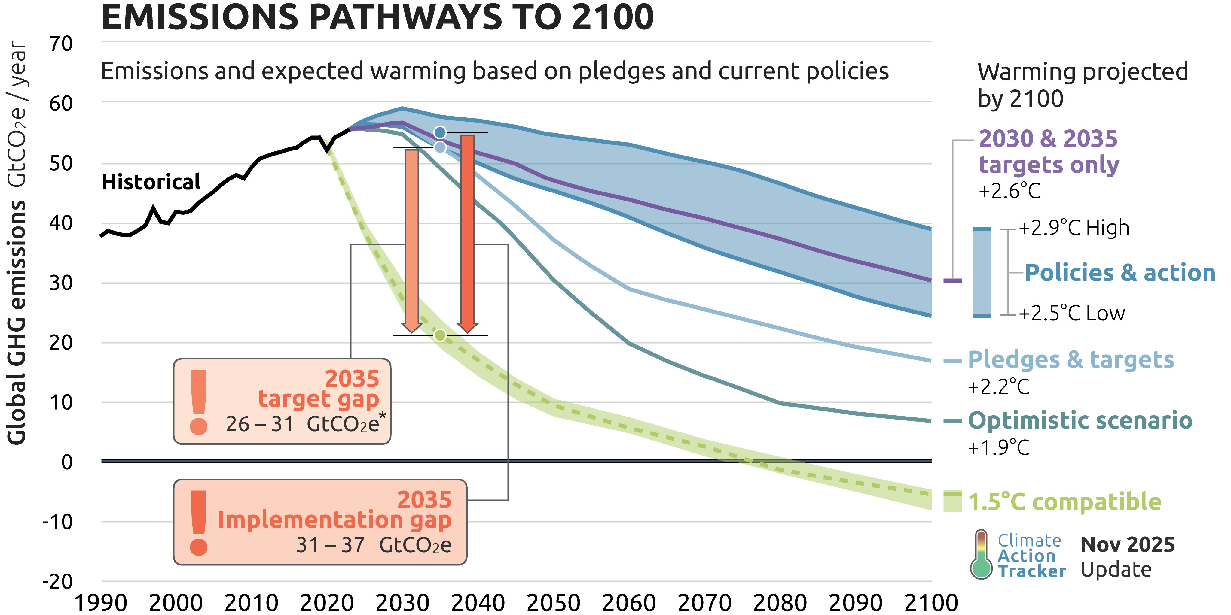
Copyright © 2025 by Climate Analytics and NewClimate Institute. All rights reserved.

The content provided by this data file is protected by copyright. You are authorised to view, download, print and distribute the copyrighted content from this data file subject to the following condition: Any reproduction, in full or in part, must credit Climate Analytics and NewClimate Institute, include a copyright notice and must not be used for commerical purposes.

GMT time series
Climate Action Tracker: Global Mean Temperature time series
Unit: | °C about pre-industrial levels
Date Published: | 2025-11-13
Further information: | climateactiontracker.org/methodology/

 |  | 1990 | 2000 | 2010 | 2020 | 2030 | 2040 | 2050 | 2060 | 2070 | 2080 | 2090 | 2100
Policies & action | High |  |  |  |  | +1.5 | +1.7 | +2.0 | +2.2 | +2.4 | +2.6 | +2.7 | +2.9
 | Combined |  |  |  |  | +1.5 | +1.7 | +1.9 | +2.1 | +2.3 | +2.4 | +2.5 | +2.6
 | Low |  |  |  |  | +1.5 | +1.7 | +1.9 | +2.1 | +2.2 | +2.3 | +2.4 | +2.5
2030 targets only |  |  |  |  |  | +1.5 | +1.7 | +1.9 | +2.1 | +2.3 | +2.4 | +2.5 | +2.6
2030 & 2035 targets only |  |  |  |  |  | +1.5 | +1.7 | +1.9 | +2.1 | +2.3 | +2.4 | +2.5 | +2.6
Pledges and Targets | High |  |  |  |  | +1.5 | +1.7 | +1.9 | +2.0 | +2.1 | +2.1 | +2.2 | +2.2
 |  |  |  |  |  | +1.5 | +1.7 | +1.9 | +1.9 | +1.9 | +1.9 | +1.9 | +1.9
Optimistic scenario (net-zero pledges) |  |  |  |  |  | +1.5 | +1.7 | +1.9 | +1.9 | +2.0 | +1.9 | +1.9 | +1.9
Historical |  | +0.6 | +0.8 | +1.0 | +1.2
NOTE: Temperature estimates are median values.
We include the unrounded values to assist with the preparation of graphics, however if you are reproducing the numerical values, please adhere to the displayed rounded values in the tables.

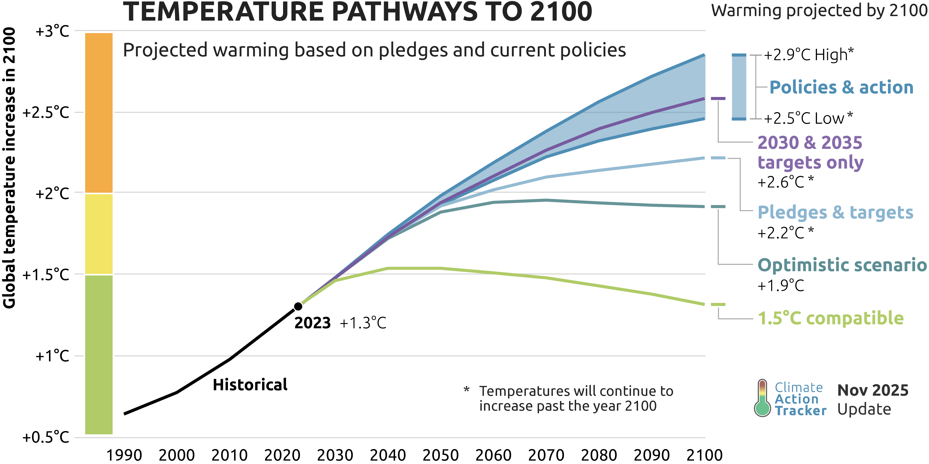
Copyright © 2025 by Climate Analytics and NewClimate Institute. All rights reserved.

The content provided by this data file is protected by copyright. You are authorised to view, download, print and distribute the copyrighted content from this data file subject to the following condition: Any reproduction, in full or in part, must credit Climate Analytics and NewClimate Institute, include a copyright notice and must not be used for commerical purposes.

